inputs
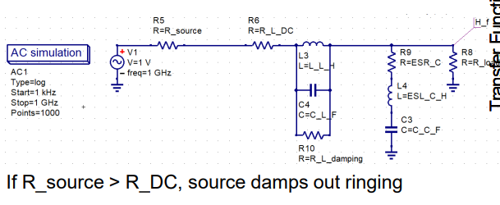
INPUTS
Input Parameters | Value | Note
Used inductor (Ferrite of wire wond) | 1.00 | In µH
Used capacitor | 8.20 | In µF
R-load | 3.30 | in Ohm =VOUT/I OUT
Automatic Equations calaculation
R-DC of the inductor needed to make Q=1 | 0.35 | in Ohm
Automatic Checklist of the selection
Does the R-DC of the inductor is appropriate to the load impedance | NO and will cause voltage drop | R-DC of the inductor will cause a signifecnt voltage drop

if YOU DON’T KNOW SOME PARAMETER OR TRYING VALUES "INPUTS"
Capaictor used | 0.20 | In µF
inductance used | 4.70 | In µH
R-DC Of the chosen inductor | 0.22 | in Ohm*Given in datasheet*
V output | 5.00 | To get R load assume the worest case "Highest current drawn"
I output | 10.00
Automatic Equations calaculation For the trying values section
R-load in Ohm | 0.50 | R-DC of the inductor will cause a signifecnt voltage drop
Q | 22.03 | Over damped

